Assessment of run-off time
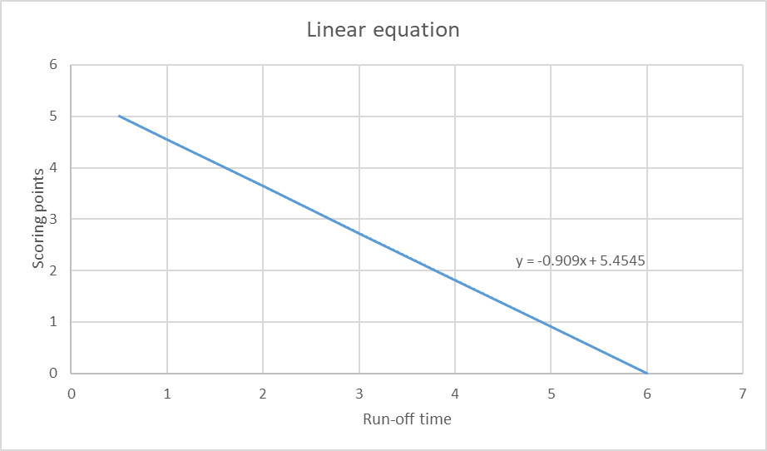
Linear equation of run-off time

Assumption:

The minimum of the run-off time is 0.5 seconds which yields in 5 scoring points.

The maximum run-off time is 6 seconds which yields 0 scoring points.

Linear equation: y = -0.909 * t + 5.4545

y: scoring points; t: run-off time

run-off time < 0.5 seconds yields in scoring points > 5.

run-off times > 6 Sekunden yields in 0 scoring points (no negative scoring points)

